GP.0008
dcr
DATE | 2025-07-28 |  |  | WASH:CODE |  | GP.0008
FINISHER:CODE | DK.SOCORRP |  |  |  |  | DRYPROCESS.AND WET PROCES
MODEL:CODE | D64926 CLASSIC PO
SAP CODE | 60121218
FABRIC:CODE | ATRISTIC:ZYRA PCW INDIGO FLORENCE BLUE. AM 3287 A NF
QUANTITY | 3-PCS
ROLL:CODE | ROLL:X
FAB. WEIGHT
UNITS
TYPE MACHINE
DRYING TIME (Min.) :
COMMENTS:
PAGE | RAW WASH |  |  | WASH:SUPERVISOR:HUSSAM/ATIF
 | E | of | 1 |  |  |  | Supplier | PH Value
ACTION | TIME | TEMP | Liters | AMT | UNITS | Chemicals
 | WASH ASPER.ORJ
 | PROCESS IN REVERSE.
RINSE X | 2 | RT | 60

CLEAN UP BLEACH | 5 | RT | 60 | 2 | GRM | HYPO
RINSE | 2 | RT | 80 | 1 | GRM | COUSTIC

NEUTRALIZATION | 5 | RT | 60 | 2 | GRM | PEROXIDE
RINSE | 2 | RT | 80

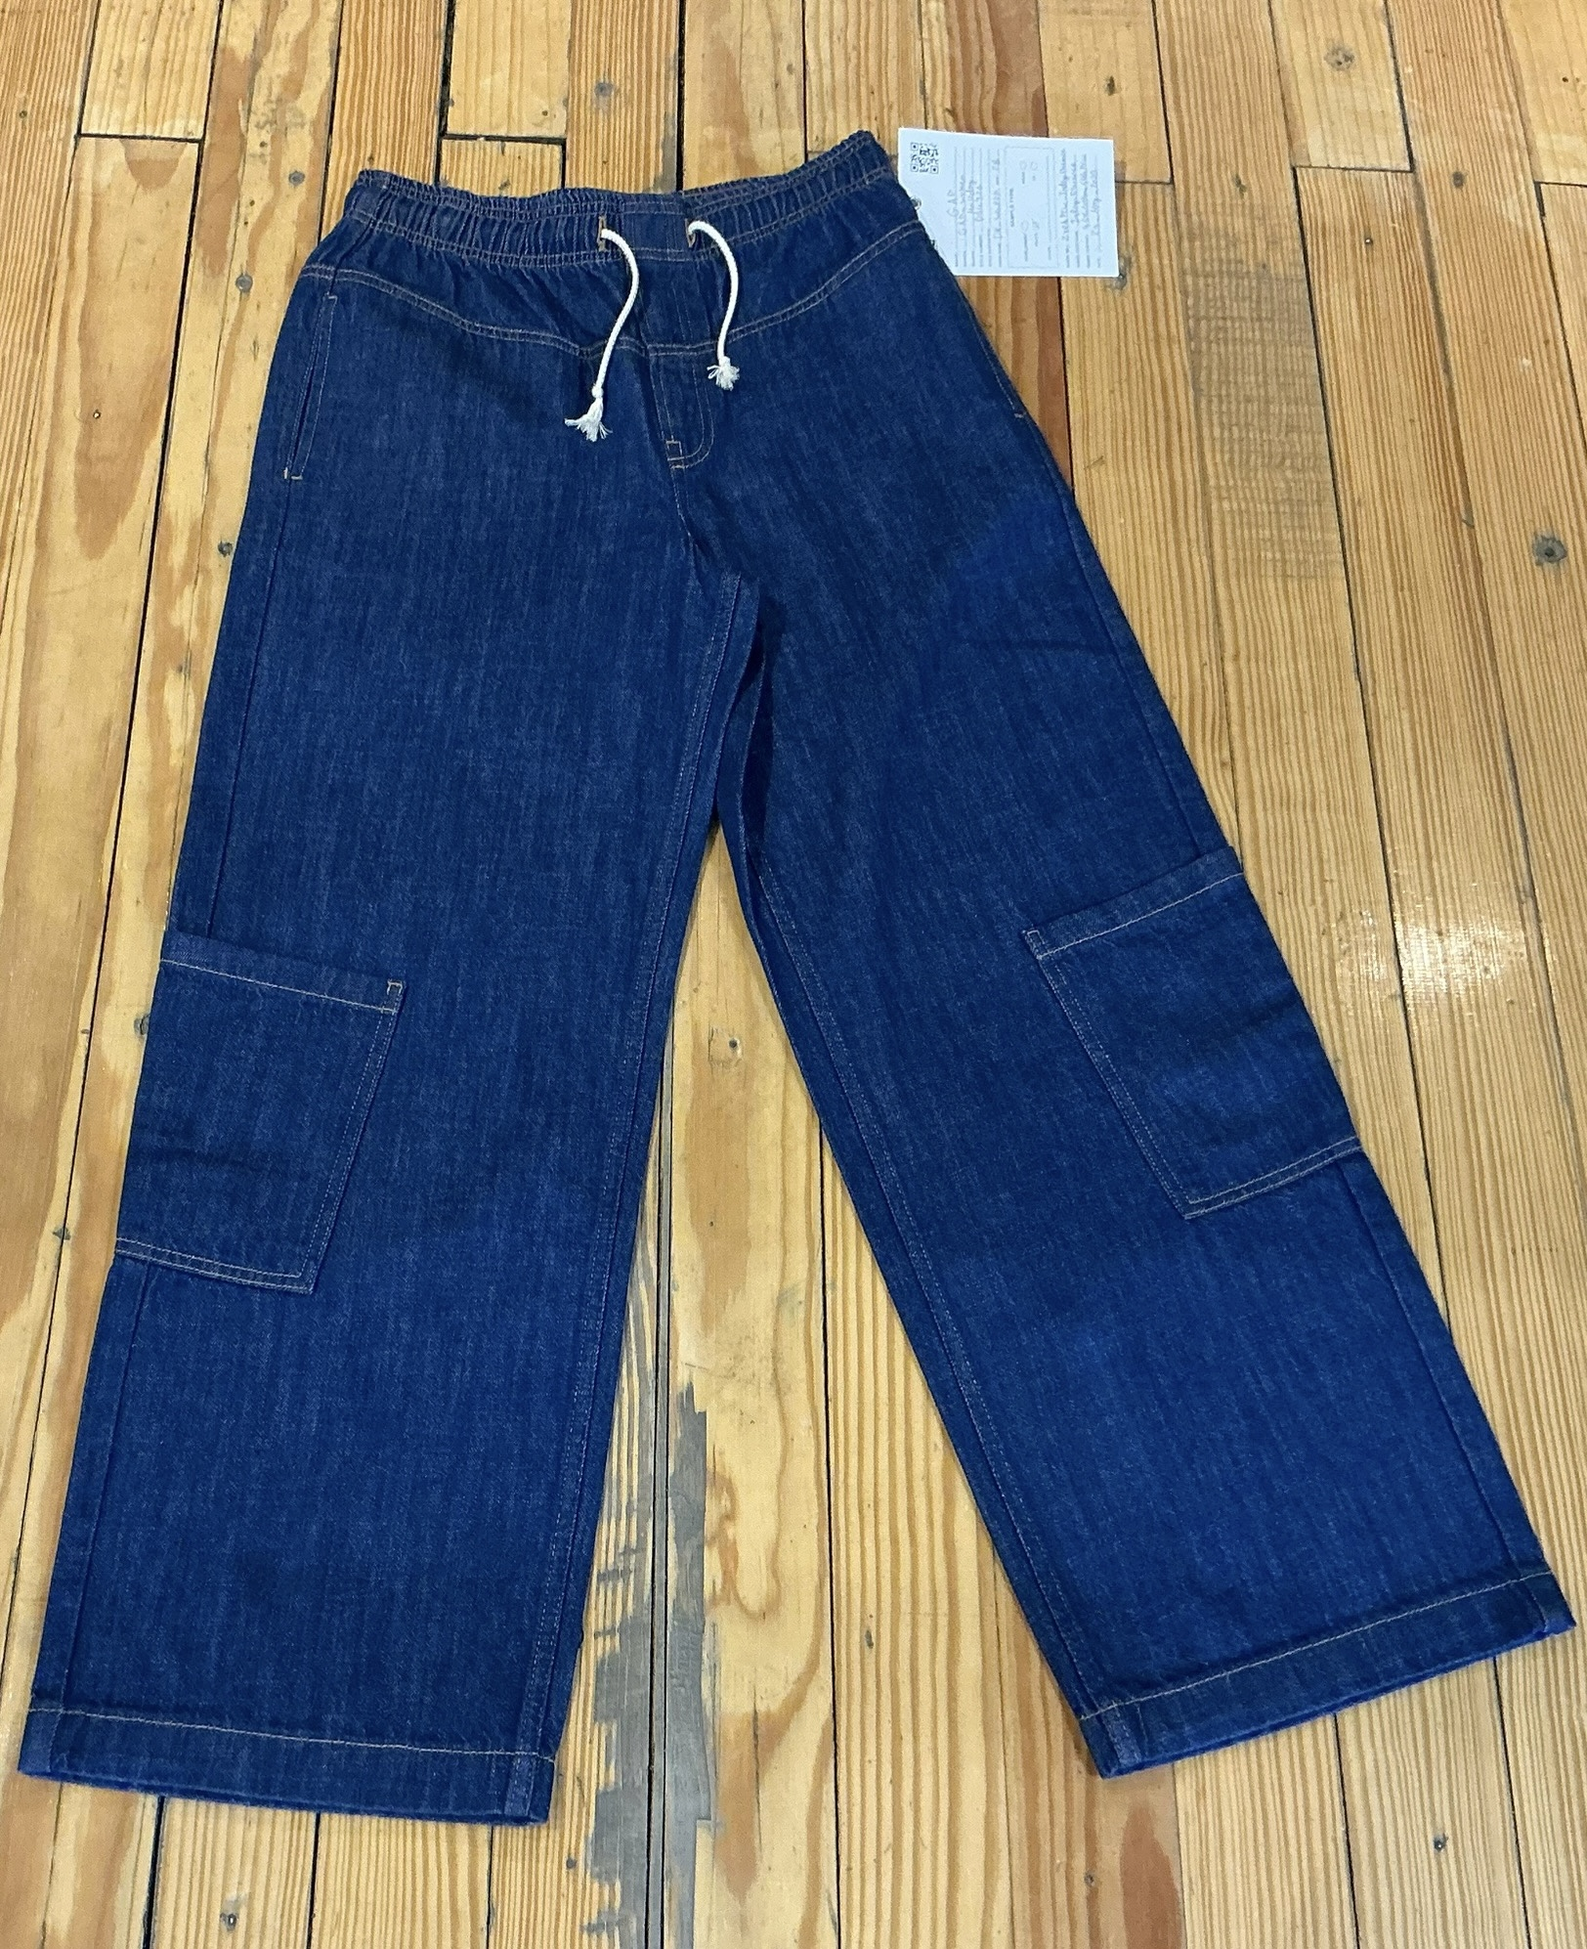
WASH SOFT | 5 | RT | 60 | 2 | GRM | NEARSopht/WO3
EXTRACT&DRY |  |  |  | 3 | GRM | A.ACID. PH/5

